Read Me
Weld Strength Calculator
Description of Spreadsheet Tool
Overview
This calculator seeks to calculate the theoretical strength of a fillet weld, evaluated in two different load scenarios -- transverse (perpendicular) and shear (parallel) positions. The research tied to this spreadsheet will be used to evaluate the equivalent calculation in a different load scenario. Calculator will be updated when research is concluded.
General Instructions
The inputs are measured by the user of this sheet. Whether a concave or convex weld, it is recommended to use a fillet weld gauge to accurately measure leg size.
Calculated Outputs
This calculator outputs the theoretical strength of the weld material using the tensile strength of the weld filler material used by the welder and the effective area of the weld to join the material.
Descrepencies & Assumptions
This calculator does not consider the mechanical properties of the material. The material thickness is only considered when measuring the leg size of the weld to ensure its within the AWS recommended fillet weld size specifications.
Citations:
American Welding Society. (2002). Structural Welding Code D1.1.

Author | Tyler J. McPheron, Agricultural Engineering Graduate Student
Affiliation | Purdue University, Department of Agricultural & Biological Engineering
Date | Updated December, 2022

Weld Strength
Minimum leg size = 1/8” for material thickness ≤1/4”
Max leg size = ¼” for material thickness ≤1/4”
Minimum leg size = 3/16" for material thickness ¼” < Base Metal Thickness ≤ ½”
Max leg size = 1/16” less than the thickness of the base metal for material thicknesses >1/4" - ≤1/2"
 | Weld Strength Calculator
 | INPUTS
Name | Description | Value | Units | Equation
LS | Leg Size | 0.25 | in
TS | Tensile Strength of Filler | 70000 | psi
LW | Length of Weld | 6 | in
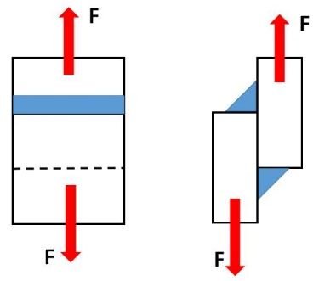
NW | Number of Welds | 1 | #

 | INTERMEDIATE CALCULATIONS
WT | Weld Throat Size | 0.177 | in | =@LS*0.707
WA | Effective Weld Area | 1.061 | sq-in | =@WT*@LW*@NW

 | OUTPUTS
 | Perpendicular Load (Transverse)
PS | Theoretical Strength of Weld | 74235 | lbs-force | =@TS*@WA
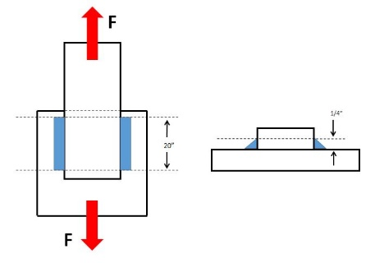
 | Parallel Load (Shear)
SS | Theoretical Strength of Weld | 22271 | lbs-force | =(@TS*0.3)*@WA

 | Cantilevered Bending
 | 0.25 Theoretical Strength of Weld | 7424 | lbs-force | =(@TS*0.1)*@WA
 | 0.375 Theoretical Strength of Weld | 11135 | lbs-force | =(@TS*0.15)*@WA

